Conversion Chart
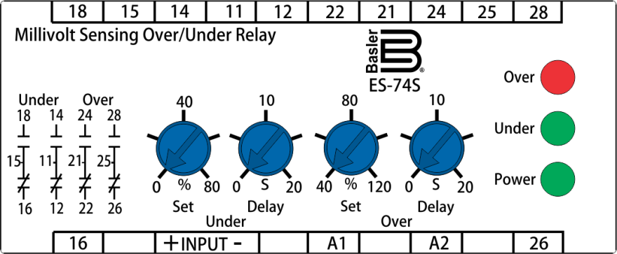
 |  |  | Easy Conversion Chart: BE3-74SH, 74SL, 74SD, 76SH |  |  |  |  |  |  |  |  |  |  |  |  |  |  | option2a | option2b
 |  |  | To |  |  |  |  |  |  |  |  |  |  |  |  |  |  | N | N
 |  |  | ES-74S |  |  |  |  |  |  |  |  |  |  |  |  |  |  | A
This simple chart is designed to help you choose the appropriate ES style configuration with the same minimum coverage as your BE3. Just match up the color-coded option boxes on the left with those on the right. Option boxes colored black require no selection. For reference, see the product specification style charts on Page 2. For assistance, contact technical support at 618-654-2341.
Enter your BE3 style configuration below to generate new ES style configuration
From |  |  | BE3 Style Configuration |  |  |  |  | To |  |  | ES Style Configuration

BE3 | Model Number | Sensing Input Type | Nominal Input Type | Frequency | External Power | Output Type |  | ES | Model Number | Sensing Input Type | Nominal Input Type | Timing | Frequency | External Power | Option 1 | Option 2 | Option 3
 | 74SH |  |  |  |  |  |  |  | 74S |  |  | B
 | 74SL |  |  |  |  |  |  |  | 74S |  |  | B
 | 74SD |  |  |  |  |  |  |  | 74S |  |  | B
 | 76SH |  |  |  |  |  |  |  | 74S |  |  | C
 |  | 7 |  |  |  |  |  |  |  | 7
 |  |  | F |  |  |  |  |  |  |  | M
 |  |  | G |  |  |  |  |  |  |  | N
 |  |  | S¹ |  |  |  |  |  |  |  | S¹
 |  |  |  | 5 |  |  |  |  |  |  |  |  | 0
 |  |  |  |  | A |  |  |  |  |  |  |  |  | A
 |  |  |  |  | B |  |  |  |  |  |  |  |  | C
 |  |  |  |  | C |  |  |  |  |  |  |  |  | D
 |  |  |  |  | D |  |  |  |  |  |  |  |  | F
 |  |  |  |  | E |  |  |  |  |  |  |  |  | G
 |  |  |  |  |  | 1 |  |  |  |  |  |  |  |  | 4
 |  |  |  |  |  | 2 |  |  |  |  |  |  |  |  | 3
 |  |  |  |  |  | 3 |  |  |  |  |  |  |  |  | 5
 |  |  |  |  |  |  |  |  |  |  |  |  |  |  |  | N
 |  |  |  |  |  |  |  |  |  |  |  |  |  |  |  | A2
 |  |  |  |  |  |  |  |  |  |  |  |  |  |  |  |  | 0
Enter your current BE3 configuration:
BE3 | 74SH | 7 |  | 5 |  | 1 |  | ES | 74S | 7 |  | B | 0 |  | 4 | N | 0

1 | For other nominal Millivolt, contact Basler Electric.
2 | Option 2 selection A not available.
3 | ES-74S Narrow Case Terminals: Input +, Input - and A1 are shifted left 1 position from BE3-74SL and BE3-74SH locations. See Instruction Manual 9500100994 for connection diagrams.
4 | ES-74S Wide Case Terminal: A1 is shifted left 1 position from BE3-74SD location. Connection diagrams are shown on Page 3 and in Instruction Manual 9500100994.

 |  |  |  | Sample Style Configuration Conversion
 |  |  |  |  |  |  | BE3-74SH, 74SL, 74SD, 76SH |  | ES-74S

 |  |  |  |  | Model Number, 74SH |  | 74SH |  | 74S | Model Number, 74S
 |  |  |  |  | Sensing Input, Transducer/Shunt |  | 7 |  | 7 | Sensing Input, Transducer/Shunt
 |  |  |  |  | Nominal Input Type, 50 mVdc |  | F |  | M | Nominal Input Type, 50 mVdc
 |  |  |  |  | Frequency, DC |  | 5 |  | B | Timing, Adjustable, 0 to 20 seconds
 |  |  |  |  | External Power, 120 Vac |  | A |  | 0 | Frequency, DC
 |  |  |  |  | Output Type, Energize To Trip (74SH) |  | 1 |  | A | External Power, 120 Vac
 |  |  |  |  |  |  |  |  | 4 | Option 1, High Trip: 40 to 120%
 |  |  |  |  |  |  |  |  | N | Option 2, None
 |  |  |  |  |  |  |  |  | 0 | Option 3, None

Some options for the ES have been preselected in the above guide. To insure accuracy, please verify your style configuration using the ES style chart on page 2, referencing Instruction Manual 9500100994 or contacting Technical Support.
BE3-74SH, BE3-74SL, BE3-74SD Style Number Identification Chart
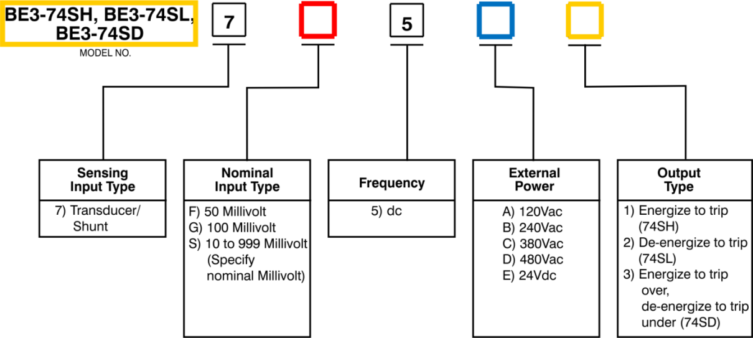

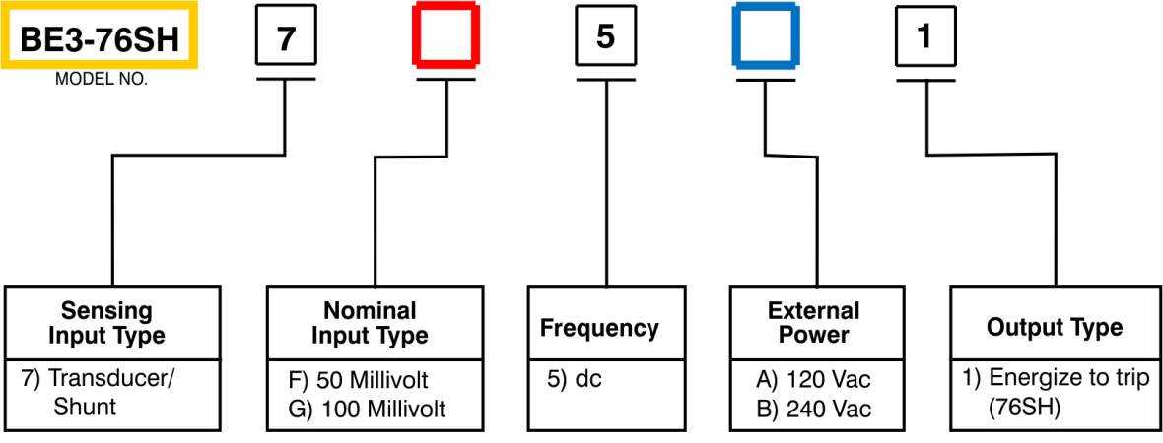
BE3-76SH Style Number Identification Chart

ES-74S Style Number Identification Chart
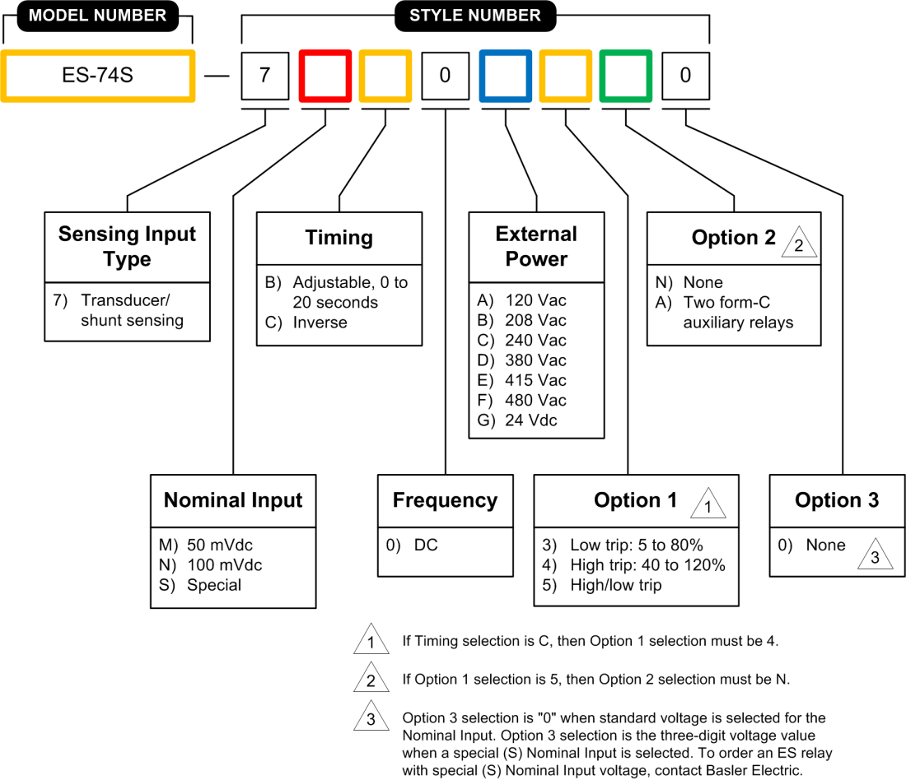

BE3-74SD Connection Diagram
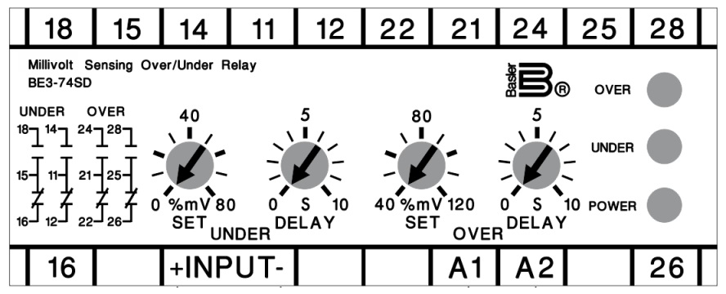

ES-74S Connection Diagram

